Copy of Roster
Name | Staying UG? | # of workdays | Year | Count | Team | Status | FINAL DECISION | Passport | Contacted/Confirmed | Touch Point(Reach out again) | Reach out(A Month later) | Termination | Additional Notes | After Call Notes | Final Checks
Luswata Andrew | FALSE |  |  | 10 | EMS | Full Time | TRUE | TRUE | FALSE | FALSE | FALSE | FALSE
Ambrose Alanda | FALSE |  |  | 10 | Create Project | Full Time | TRUE | TRUE | FALSE | FALSE | FALSE | FALSE
Kalema Martin | FALSE |  |  | 10 | Focust | Full Time | TRUE | TRUE | FALSE | FALSE | FALSE | FALSE
Kevin Mugarura B | FALSE |  |  | 10 | AI Super Agent | Full Time | TRUE | TRUE | FALSE | FALSE | FALSE | FALSE
Timon W. Mesulam | FALSE | 6 days/w | Year 1 | 5 | Focust | Full Time | TRUE | TRUE | TRUE | FALSE | FALSE | FALSE | he quited the school and wants to join the JP team | Still ready to come to Japan. Pending Yellow fever card.
Namugga Martha | FALSE |  |  | 5 | GA | Full Time | TRUE | TRUE | TRUE | FALSE | FALSE | FALSE |  | Thank you so much. Extend gratitude. Few questions. Curious to know the role. What happens after the expiration of the one year visa. Tourist Visa first. And introduce you to the team.
Muzuva Joshua | FALSE |  |  | 4 | Create Project | Full Time | TRUE | TRUE | TRUE | FALSE | FALSE | FALSE |  | He is open to coming to JP, has a passport and yellow fever card. he offered to remain in uganda to cater for the interns but was informed this will be done by the remote.
Muwanguzi Jovic Biralo | FALSE |  |  | 4 | Matsumoto San's Project | Full Time | FALSE | TRUE | TRUE | FALSE | FALSE | FALSE | Need to confirm passpor. Check check willing to come. | Has Passport but pending yellow fever card. He is willing to come in the one or two weeksd. will go to campus to pick up the transcript. | Inquire about motivation to come to Japan. inform of our tough schedule. 9-5 expectation. try not to nagate the experiance.
Kire Constantine | FALSE | 5 days/w | Year 1 | 2 | Focust | Student | FALSE | TRUE | FALSE | TRUE | FALSE | FALSE | Talented Year one student. confirm willing to come to Japan for a year | Willing to come to Japan for a year. Has been notified about the salary. - Not studying this year dropping BIST. Changing course to Software Engineering/Computer Science. Will talk to Parents informing them about the opportunity of coming to Japan. Specialising in Infrastructure Engineering. Has no passport, yellow fever card advised to apply for express.
Fred Sseginda | FALSE |  |  | 4 | EMS | Full Time | FALSE | TRUE | TRUE | TRUE | FALSE | FALSE | Signed contract with URA hesitant on breaking contact. Has concerns about trust and we will contacct him to let him know that Mr Eiji needs him on the team. | 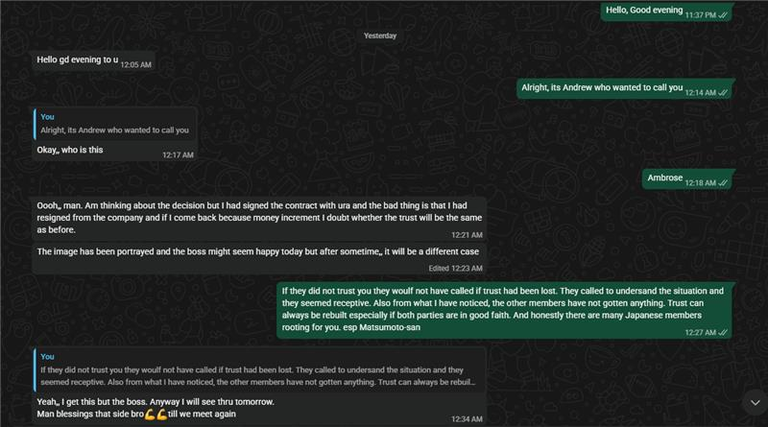
Nabaasa Rodrick | FALSE |  |  | 4 | Create Project | Full Time | FALSE | TRUE | FALSE | TRUE | TRUE | FALSE | Waiting to confirm with his parents. Contacting him today
Turyasiima Crispus | FALSE |  |  | 4 | Create Project | Full Time | FALSE | FALSE | FALSE | FALSE | TRUE | FALSE | Declined Offer. Will be contact a month from now to see if he is willing to rejoin AIBOS | 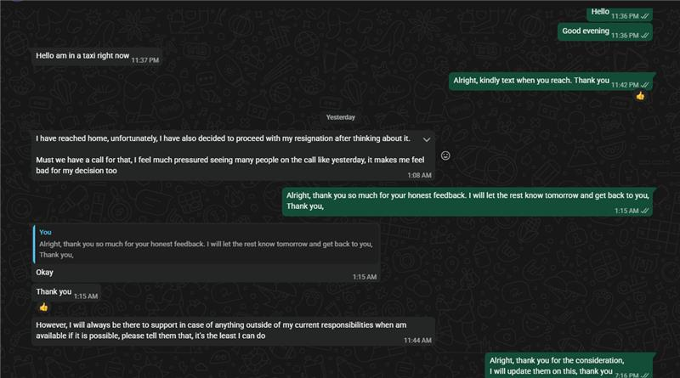
Masembe Sendi Joseph | FALSE |  |  | 3 | Focust | Full Time | FALSE | FALSE | FALSE | FALSE | TRUE | FALSE | Reconsider to return to AIBOS conditions work remote and also work the other projects hence edit the contract to remove the NDA from the contract. Thinking of working both jobs | He declined the offer.
Tusiime Mark | TRUE | 3 days/w | Year 2 | 3 | Urban Flooding | Student | FALSE | FALSE | FALSE | TRUE | FALSE | FALSE | Really talented. Keeps an Open Mind. Tries to get work done. Comes in on his days to contribute to team learning, | Scheduled call for Friday 5:30JST.
Ahwera Shifrah | TRUE | 5 days/w | Graduated | 3 | GA | Full Time | FALSE | FALSE | FALSE | FALSE | FALSE | FALSE | Martin: similar level as Jovic and Otai.
Masaba Shamsa | TRUE | 5 days/w | Graduated | 3 | GA | Full Time | FALSE | FALSE | FALSE | FALSE | FALSE | FALSE | Could run GA and support development work
Joshua Prince Aita | TRUE | 4-5 days/w | Year 2 | 5 | Create Project | Student | FALSE | FALSE | FALSE | FALSE | FALSE | FALSE | Wants to be apart of the Japan team but has to continue with school due to family demand
Wamani Joshua | TRUE | 4 days/w | Year 2 | 4 | Focust | Student | FALSE | FALSE | FALSE | TRUE | FALSE | FALSE | Reach out to reconfirm their status. A | Has been consulted with parents. They have insisted on him completing his education first bacuase the university rules say that goverment sponsor students lose their scholarship if being away for 1 year.
Ogenrwoth Jim Frank | TRUE | 4 days/w | Year 3 | 1 | Focust | Student | FALSE | FALSE | FALSE | TRUE | FALSE | FALSE | Is breadwinner of family and has responsibilities to handle personally in Uganda Can not come to Japan | previous situation still standing. Might change depending on time. Has no passport. Year Three. Software Engineering.
Otai Joseph | TRUE | 4 days/w | Year 2 | 1 | Create Project | Student | FALSE | FALSE | FALSE | TRUE | FALSE | FALSE | Reach out to reconfirm their status | Year One like Aita. Considering to apply for a dead year. Open to the opprtunity. Currently in School. Has no passport. No Yellow fever card. Communicated with the parents decision was changed to no.
Shakiran Nannyombi | TRUE | 3 days/w | Year 3 | 1 | AI Super Agent | Student | FALSE | FALSE | FALSE | FALSE | FALSE | FALSE | Is a community based leader and has alot of connections. Can be AIbos' Outreach in Makerere for talent. Is willing to learn new things and tries to get things done to her best ability.
Konso Vanessa Rebecca | TRUE | 5 days/w | Graduated | 0 | EMS | Full Time | FALSE | FALSE | FALSE | FALSE | FALSE | FALSE | No improvement for one year.
Aule Ian | FALSE | 4 days/w | Year 3 | 0 | EMS | Student | TRUE | FALSE | FALSE | FALSE | FALSE | FALSE | No good in skill level good at collaboration.
Lauben Mpairwe | TRUE | 6 days/w | Year 4 | 0 | Create Project | Student | FALSE | FALSE | FALSE | FALSE | FALSE | FALSE | Talented but has communication and trust issues with the team affecting team progress.
Muwanguzi Alvin Kiggundu | TRUE | 3 days/w | Year 3 | 0 | Focust | Student | FALSE | FALSE | FALSE | FALSE | FALSE | FALSE | Skill levels not yet developed. Works in Infrastructure. Not high energy person
Yapyeko Rebecca | FALSE | 3 days/w | Year 4 | 0 | Focust | Student | FALSE | FALSE | FALSE | FALSE | FALSE | FALSE | Does QA on Focust, she is very realiable, has a good attitude. Technical skill not high yet.
Kisakye Martha Janepher | TRUE | 5 days/w | Graduated | 0 | AI Video Platform | Full Time | FALSE | FALSE | FALSE | FALSE | FALSE | FALSE | Moderate skill levels. Low level energy
Salimu Kabogere | FALSE | 3 days/w | Year 3 | 0 | AI Video Platform | Student | FALSE | FALSE | FALSE | FALSE | FALSE | FALSE | Moderate skill levels.
Namutebi Sulaina Luwambya | FALSE | 4 days/w | Year 2 | 0 | GA | Student | FALSE | FALSE | TRUE | FALSE | FALSE | FALSE | Not talented
Selected
Retained in Uganda
Offer declined
Not yet confirmed direction

